QAQC
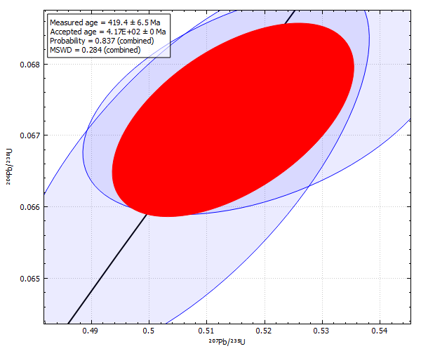
Concordia Age
AllowableDifference | 5
Conf | 0.95
GroupName | Z_Temora2
TW | false
UseProp | false

